Sheet1
Create alpbetic searchlight as given
 |  |  |  |  |  |  |  |  |  |  |  |  |  |  |  |  |  |  |  |  |  |  |  |  | Z | Y | X | W | V | U | T | S | R | Q | P | O | N | M | L | K | J | I | H | G | F | E | D | C | B | A
 |  |  |  |  |  |  |  |  |  |  |  |  |  |  |  |  |  |  |  |  |  |  |  | Y | X | W | V | U | T | S | R | Q | P | O | N | M | L | K | J | I | H | G | F | E | D | C | B | A
 |  |  |  |  |  |  |  |  |  |  |  |  |  |  |  |  |  |  |  |  |  |  | X | W | V | U | T | S | R | Q | P | O | N | M | L | K | J | I | H | G | F | E | D | C | B | A
 |  |  |  |  |  |  |  |  |  |  |  |  |  |  |  |  |  |  |  |  |  | W | V | U | T | S | R | Q | P | O | N | M | L | K | J | I | H | G | F | E | D | C | B | A
 |  |  |  |  |  |  |  |  |  |  |  |  |  |  |  |  |  |  |  |  | V | U | T | S | R | Q | P | O | N | M | L | K | J | I | H | G | F | E | D | C | B | A
 |  |  |  |  |  |  |  |  |  |  |  |  |  |  |  |  |  |  |  | U | T | S | R | Q | P | O | N | M | L | K | J | I | H | G | F | E | D | C | B | A
 |  |  |  |  |  |  |  |  |  |  |  |  |  |  |  |  |  |  | T | S | R | Q | P | O | N | M | L | K | J | I | H | G | F | E | D | C | B | A
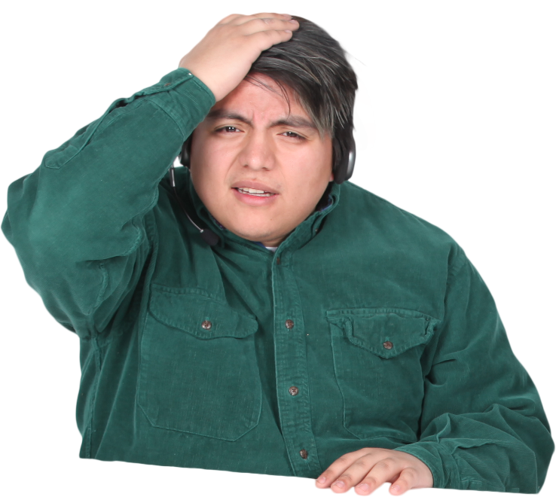
 |  |  |  |  |  |  |  |  |  |  |  |  |  |  |  |  |  | S | R | Q | P | O | N | M | L | K | J | I | H | G | F | E | D | C | B | A
 |  |  |  |  |  |  |  |  |  |  |  |  |  |  |  |  | R | Q | P | O | N | M | L | K | J | I | H | G | F | E | D | C | B | A
 |  |  |  |  |  |  |  |  |  |  |  |  |  |  |  | Q | P | O | N | M | L | K | J | I | H | G | F | E | D | C | B | A
 |  |  |  |  |  |  |  |  |  |  |  |  |  |  | P | O | N | M | L | K | J | I | H | G | F | E | D | C | B | A
 |  |  |  |  |  |  |  |  |  |  |  |  |  | O | N | M | L | K | J | I | H | G | F | E | D | C | B | A
 |  |  |  |  |  |  |  |  |  |  |  |  | N | M | L | K | J | I | H | G | F | E | D | C | B | A
 |  |  |  |  |  |  |  |  |  |  |  | M | L | K | J | I | H | G | F | E | D | C | B | A
 |  |  |  |  |  |  |  |  |  |  | L | K | J | I | H | G | F | E | D | C | B | A
 |  |  |  |  |  |  |  |  |  | K | J | I | H | G | F | E | D | C | B | A
 |  |  |  |  |  |  |  |  | J | I | H | G | F | E | D | C | B | A
 |  |  |  |  |  |  |  | I | H | G | F | E | D | C | B | A
 |  |  |  |  |  |  | H | G | F | E | D | C | B | A
 |  |  |  |  |  | G | F | E | D | C | B | A
 |  |  |  |  | F | E | D | C | B | A
 |  |  |  | E | D | C | B | A
 |  |  | D | C | B | A
 |  | C | B | A
 | B | A
A

